NOVO GRAF+TABLICA
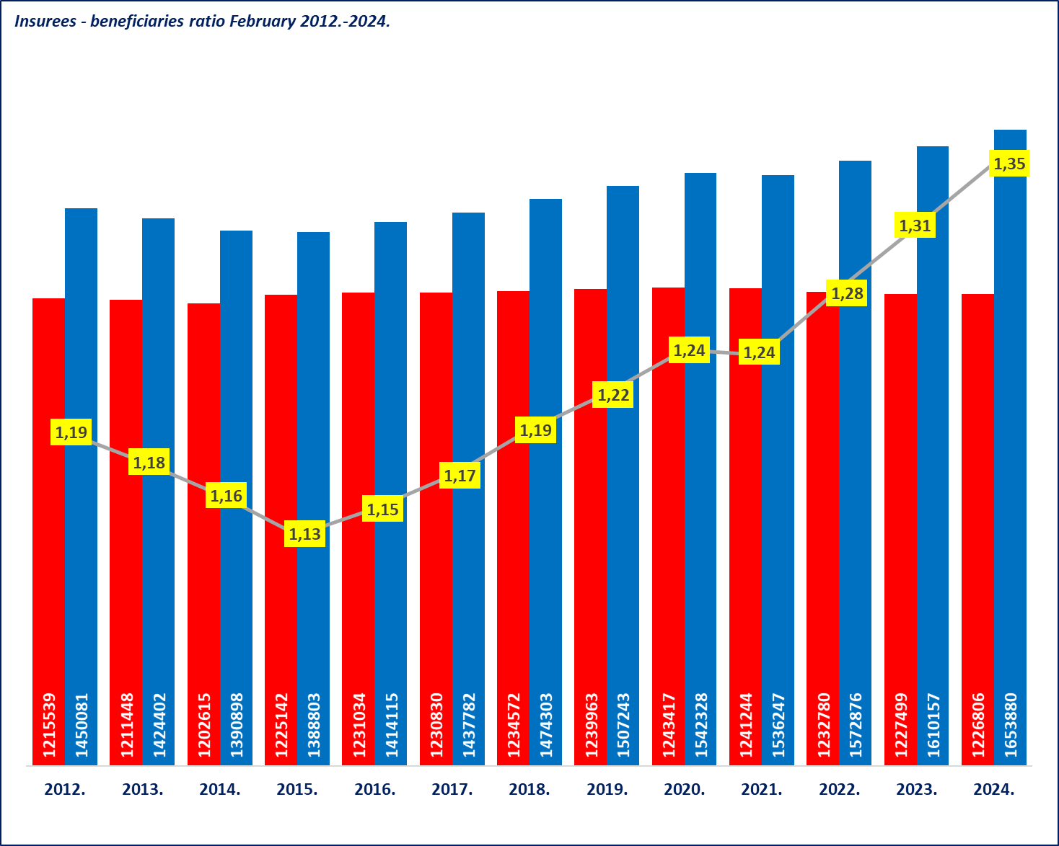
OVERVIEW OF BASIC STATUS INFORMATION ON THE PENSION INSURANCE SYSTEM for February 2024 (paid in March 2024)

Total number of pensioners
February 2024
1.226.806 (EUR 495,53)

Total number of pensioners
February 2024
not including international agreements
1.040.887 (EUR 556,85 44,9%)

Total number of pensioners
February 2024
according to the international agreements
185.919 (EUR 152,26 )

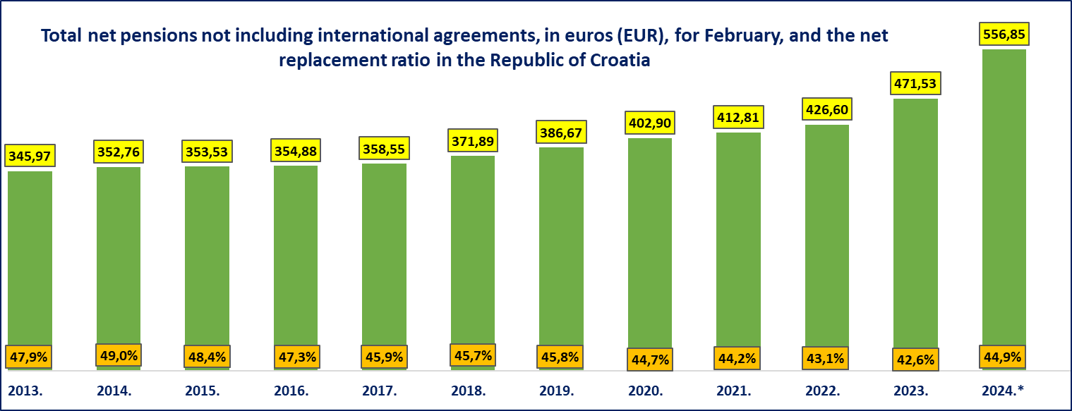

* In 2024, an average net salary in the Republic of Croaita is available for January 2024.

Pension beneficiaries entitled according to the Pension Insurance Act not including international agreements
Type of pension | Number of beneficiaries | Average net pesnion in euros (EUR) | Net replacement rate for January 2024.
Old age pension | 407725 | 565.35 | 45.6%
Old age pension for long-term insurees - Art. 35 | 47332 | 645.51 | 52.1%
Old age pension transformed from disability pension | 65341 | 476.27 | 38.4%
Old age pension - subtotal | 520398 | 561.45 | 45.3%
Early age pension | 176417 | 512.51 | 41.4%
Early age pension because of the employer's bankruptcy - Art. 36 | 377 | 507.32 | 40.9%
Old age pension - grand total | 697192 | 549.04 | 44.3%
Disability pension | 88020 | 375.00 | 30.3%
Survivor's pension | 160893 | 432.58 | 34.9%
I. TOTAL | 946105 | 513.04 | 41.4%
II. Active military personnel - DVO | 16036 | 721.78 | 58.3%
III. Croatian Homeland War veterans - ZOHBDR | 71509 | 1,094.90 | 88.4%
IV. Members of the Croatian Defense Council - HVO | 7237 | 601.70 | 48.6%
GRAND TOTAL I.+II.+III.+IV. | 1040887 | 556.85 | 44.9%
Basic pension beneficiaries | 16542 | 697.48 | 56.3%
Beneficiaries receiving their personal pension and a part of the survivor's pension (DOM) | 97628 | 577.20 | 46.6%
Net average ZOMO (Pension Insurance Act) old age pension with 40 or more years of qualifying period | 89849 | 820.35 | 66.2%
Beneficiaries with minimum pension retire according to the Pension Insurance Act (ZOMO) (average pension calculated based on the qualifying period and earned salaries) | 265653 | 350,53 (236,33) | 28.3%
Actual pension value (AVM in EUR) and the adjustment % | 11,77 / 12,13 | 8.42
Average net salary in the Republic of Croatia for January 2024., in EUR (source: State Bureau of Statistics) |  | 1,239

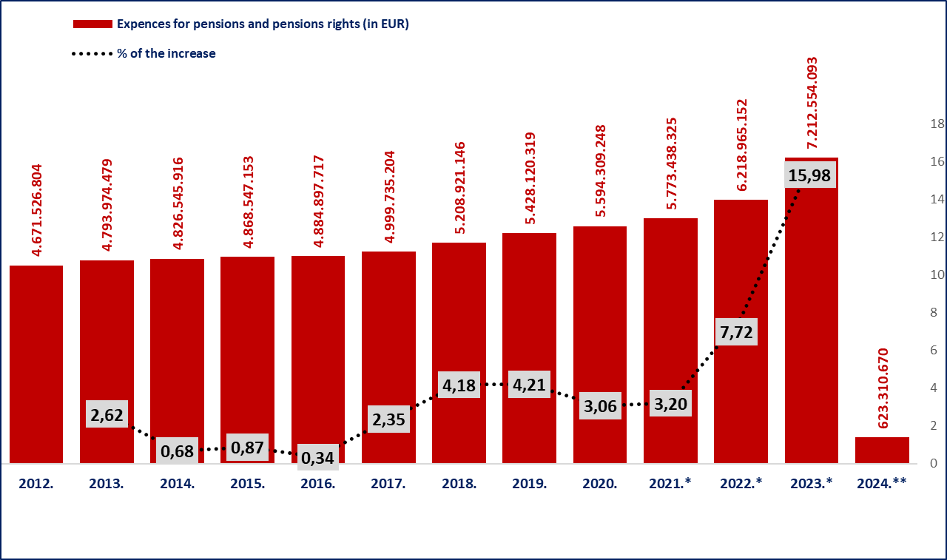

Source of data: gross balance
The amounts in columns 2012-2022 are convered from HRK to EUR, according to the fixed exchange rate (1 EUR=7,53450 HRK)

Note: *For 2023, the expenses of a one-time cash benefit paid to pensioners to mitigate the consequences caused by the COVID-19 disease, in the total amount of EUR 62.308.819, mostly paid in April, are included.

*For 2022, the expenses of a one-time cash benefit paid to the pensioners to mitigate the consequences of the increased energy prices, in total amount of EUR 59.648.802, mostly paid in May; the expenses of a one-time cash benefit paid to pensioners to mitigate the consequences of increases prices, in the total amount of EUR 62.419.295, mostly paid in October; and the expenses of a one-time benefit paid to pensioners to mitigate the consequences of increased costs of living, in the total amount of EUR 61.727.693, mostly paid in December, are included.
*For 2023, the expenses of a one-time cash benefit paid to pensioners to mitigate the consequences of the increased costs of living, in the amount of EUR 210,483.302 are included. **As for 2024, the last available (temporary) data on expenditure incurred for pensions and pension benefits refers to January 2024, while the planned expenditure from January to December 2024 is 8.372.313.300 euro.

